Sheet1
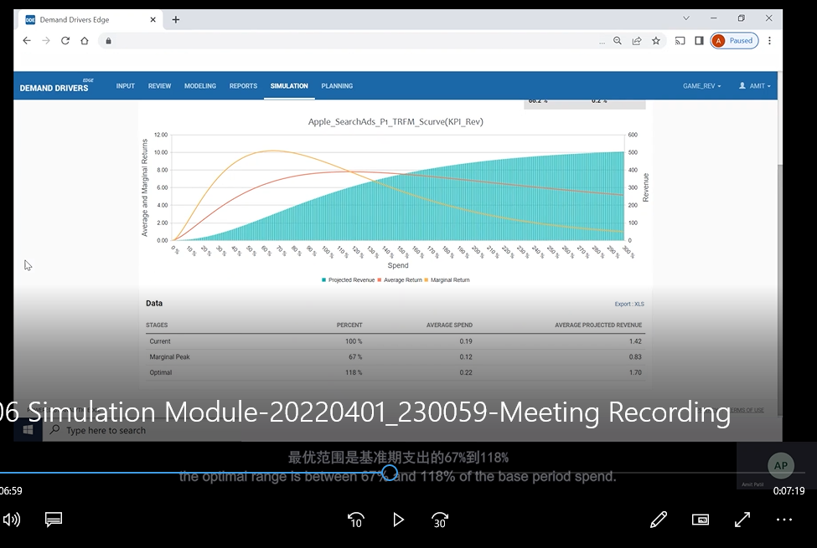
一，平台的使用需要什么条件：购买？申请？什么项目可以使用？

二，input：
视频这个位置提到的这一部分的数据指标是根据第一次上传的表格抬头么？后续表格如果添加新的指标会有问题么？
确认一下，在拖动指标的时候，维度的框中一般会拖入渠道的名字么？因变量的框中为IOS的回收？
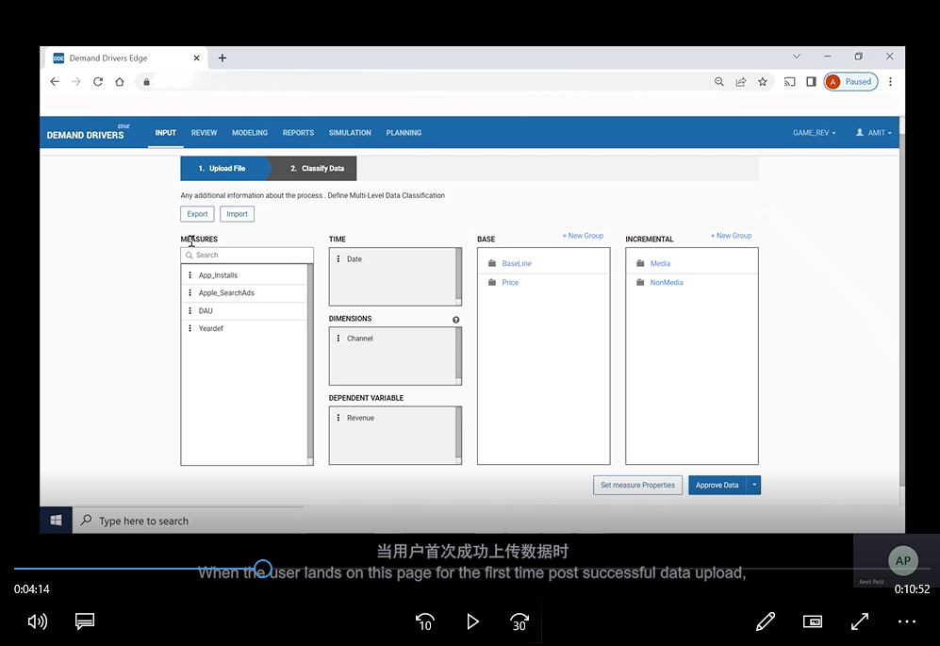
基础度量和增加度量的定义是什么？理解上游戏内活动对于收入的影响更大，但是演示中被放入在增量度量中，竞品的信息被放到了基本度量中了；

三，modeling
想问一下混合模型和mixed-effects的区别，比如我现在上传的表格包含各个渠道的展示和花费，KPI是IOS的总收益，这种情况下，我应该选择什么模型呢？
加法和乘法模型不是很理解，还是基于上面的数据，我应该选择什么样的模型呢？
是否在从corelation界面中检查到的和KPI强相关的数据，之后都需要设置它的transformation type？
视频中介绍了一些transformation type, 对于广告媒体渠道来说，是不是一般需要选择ad-stock？还是指数衰减expontial decay？影响参数一般是随意输入的么？
模型输出界面的6个选项卡是都需要进行系数的设置么？

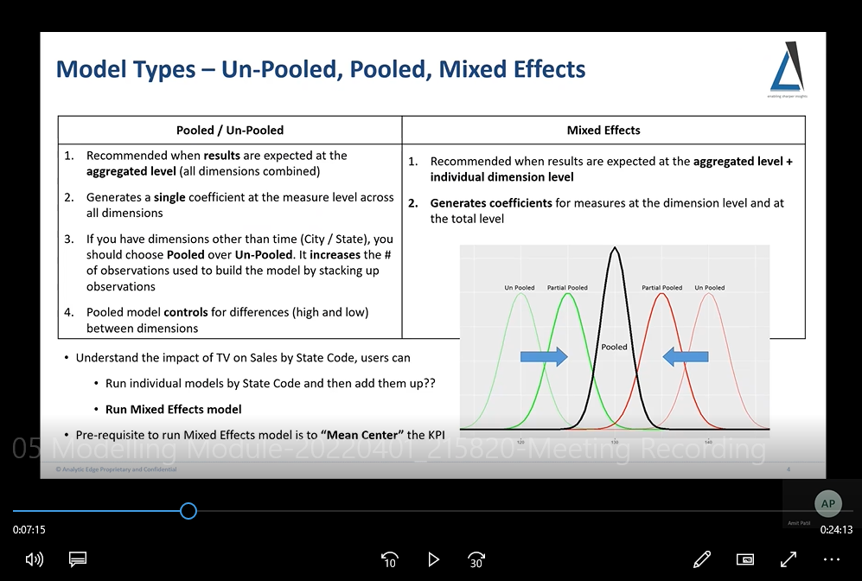

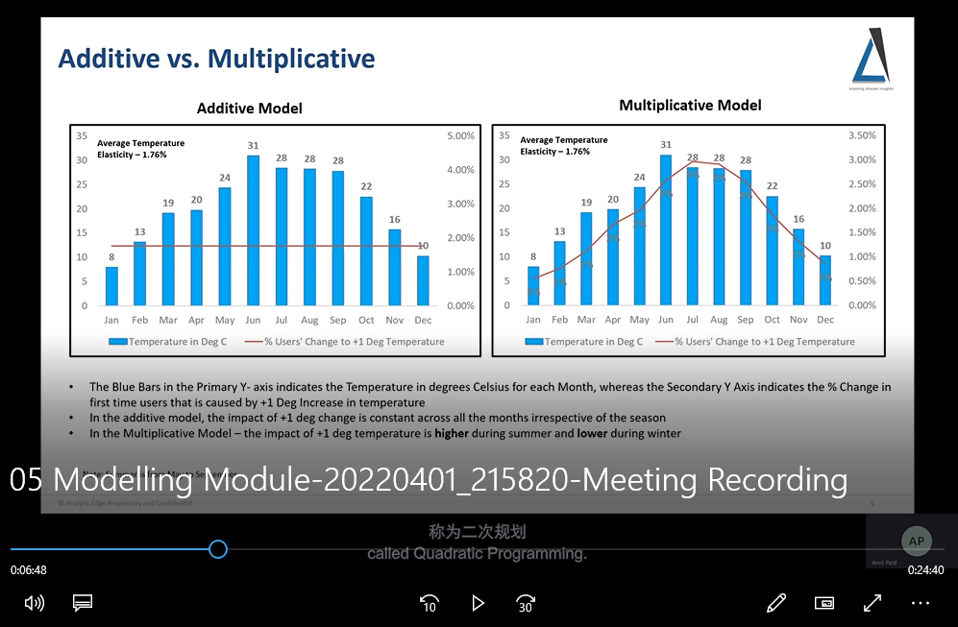

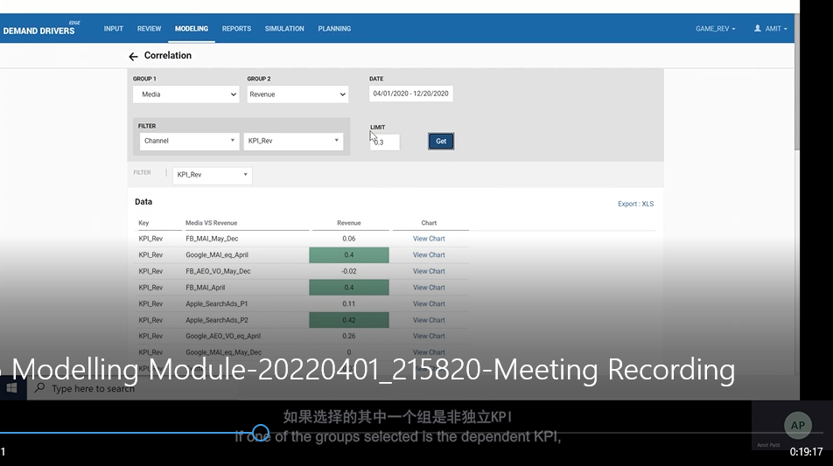

四，simulation：
截图中两个曲线的意思不是很理解；
跑模拟模型的时候，未来预算和时间段是可以设置的么？

Response curve illustration
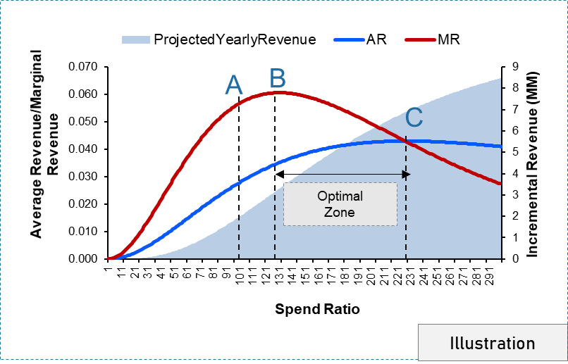
Response curve is a mechanism identifying how your Response (Incr. Revenue Per impression) moves along with additional impressions. It helps you explain what the optimal level of impressions is to attain the maximum volume response and what is your saturation point. The response curves are built using gamma distribution with slope and scale parameters.

Point A: Current Threshold- This is the minimum number of impressions that is currently used by the media tactics.
Point B: Maximum Marginal - At this point, the maximum volume response per one impression is reached. Marginal channel response is maximized i.e. the rate of increase after this point will not be the same as you increase the number of impressions.
Marginal Return= Change in Revenue/Change in spend
Point C: Maximum ROI- At this point, the best returns are obtained for the level of investment.
Average Return= Revenue/spend
Optimal Range :
Between point B and C- After point B, marginal channel response per impression declines; however, cumulative volume per cumulative impressions (total channel responsiveness) are still rising which causes ROI to rise. After point C, total Channel response and ROI diminish.

